statistics_analysis
 | sessions | payments | game_time_minutes
AVG | 4.97 | 10.06 | 119.99 | Creating a table for outliers statistics (using COUNTIF)
MED | 5.00 | 6.71 | 119.55 | normal | 477
MOD | 4.00 | 4.38 | 109.20 | high outlier | 23
MIN | 0.00 | 0.01 | 40.10
MAX | 12.00 | 77.24 | 203.00 | Chart #1
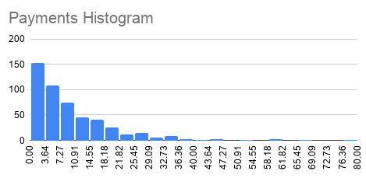
STDEV | 2.26 | 10.40 | 30.98

Q1 | 3.00 | 2.81 | 99.03
Q2 (median) | 5.00 | 6.71 | 119.55
Q3 | 6.00 | 14.05 | 141.15
IQR | 3.00 | 11.24 | 42.13

Lower bound | -1.50 | -14.04 | 35.84
Upper bound | 10.50 | 30.91 | 204.34

 |  |  |  | Creating a table for sessions statistics (candlestick chart data)
 |  |  |  |  | MIN | Q1 | Q3 | MAX
 |  |  |  | Sessions | 0.00 | 3.00 | 6.00 | 12.00

 |  |  |  | Chart #2

